1. Title Page
Project Name: Instacart Grocery Basket Analysis
Date: 15.08.2024
Analyst Name: SUDEEP KUMAR GOPATHI

Contents:
Population Flow
Consistency checks
Wrangling steps
Column derivations
Visualizations
Recommendations

2. Population Flow
Title page

Population flow

Exclusion flag
Condition: max_order <
Obervations to be removed:
Final total count of order_products_all:

Orders_products_all
Orders_products_combined
Orders_products_merged

Total: 32,404,859
Total:32,434,489
Total: 32,404,859

1.) The grey boxes in the first row of the population flow represent the original data sets as they were when you downloaded them. In the Total fields you need to add the count of the rows when you imported the data set into Jupyter.
2.) The second row of boxes (coloured) represents the data sets after you manipulated them, e.g., removed missing values and duplicates. In the Total fields you need to add the count of the rows after conducting these operations. This offers a visual oveview of how the data flows throughout the data consistency checks.
3.) The third row, where also the arrows are coloured, represents the merges you performed between the datasets. In the Total fields you need to add the count of the rows in the merged datasets, so that you end up with the final dataset (in the red box). Keep in mind the final dataset should be without exclusions (based on the exclusion flag).

3. Consistency checks
 |  |  |  | Title page
Consistency checks

Dataset | Missing values | Missing values treatment | Duplicates
orders | days_since_prior_order: 206,209 | Replaced missing values with 0 | 0
products | product_name: 16 | Replaced missing values with 0 | 5
orders_products_prior | Not applicable | Not applicable | Not applicable
customers | Not applicable | Not applicable | Not applicable

4. Wrangling steps
 |  |  |  | Title page
Wrangling steps

Columns dropped | Columns renamed | Columns' type changed | Comment/Reason
eval_set | Original Name:order_dow New Name: order_day_of_week | Column: order_id New Type: str | Dropped irrelevant columns, renamed columns for better clarity, and changed data types for correct interpretation and optimization.
 | Original Name: 0 New Name: department_id
'user_id_y | user_id_x: 'user_id', |  | renamed columns for better clarity |  | , ',
'order_number_y | order_number_x': 'order_number', |  | renamed columns for better clarity |  | ', ,
'order_day_of_week_y', | order_day_of_week_x': 'order_day_of_week' |  | renamed columns for better clarity
'order_hour_of_day_y | order_hour_of_day_x': 'order_hour_of_day' |  | renamed columns for better clarity
'days_since_prior_order_y' | days_since_prior_order_x': 'days_since_prior_order' |  | renamed columns for better clarity
 | product_name_x': 'product_name' |  | renamed columns for better clarity
 | aisle_id_x': 'aisle_id' |  | renamed columns for better clarity
 | department_id_x': 'department_id' |  | renamed columns for better clarity
 | prices_x': 'prices' |  | renamed columns for better clarity

5. Column derivations
 |  |  |  | Title page

Column derivations and aggregations

In this tab you should add tables below that the frequences of flags/label variables that you produced after deriving them. NB: don't do this for continuous variables, only for flags.
Dataset | New column | Column/s it was derived from | Conditions
Merged Dataset | customer_profile | fam_status, dependents_flag | Combined family status with dependents flag to categorize customers into profiles. Example: "Single, No dependents."
Merged Dataset | dependents_flag | n_dependants | Assigned flag based on the number of dependents. If number of dependents > 0, flagged as "Has dependents"; else, "No dependents."
Merged Dataset | spending_flag | prices | Assigned flag based on spending behavior. If price > threshold, categorized as "High spender"; otherwise, "Low spender."
Merged Dataset | order_frequency_flag | order_number | Assigned flag based on order frequency. For example, frequent orderers could be flagged as "Frequent Orderer" based on the number of orders placed.
Merged Dataset | total_expenditure | prices, user_id | Calculated the total expenditure for each user by summing up the prices of all products they purchased.
Merged Dataset | Region | STATE | Created regional segmentation based on the state each customer is from, categorizing them into regions like West, Midwest, South, and Northeast.

 | Frequency of price_range:
 | price_range frequency
 | 0 Mid-range product 5
 | 1 Low-range product 1

 | Frequency of loyalty_flag:
 | loyalty_flag frequency
 | 0 New customer 4
 | 1 Regular customer 2

 | Frequency of spending_flag:
 | spending_flag frequency
 | 0 Low spender 6

 | Frequency of order_frequency_flag:
 | order_frequency_flag frequency
 | 0 Frequent customer 4
 | 1 Regular customer 2

6. Visualizations
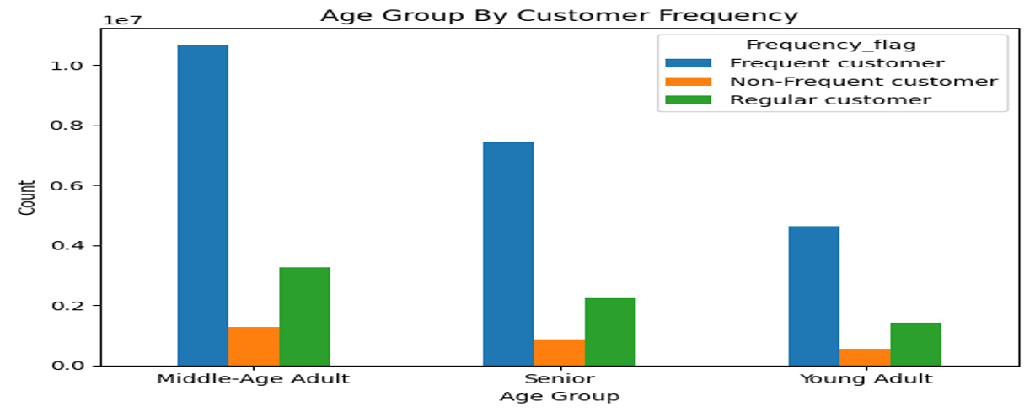
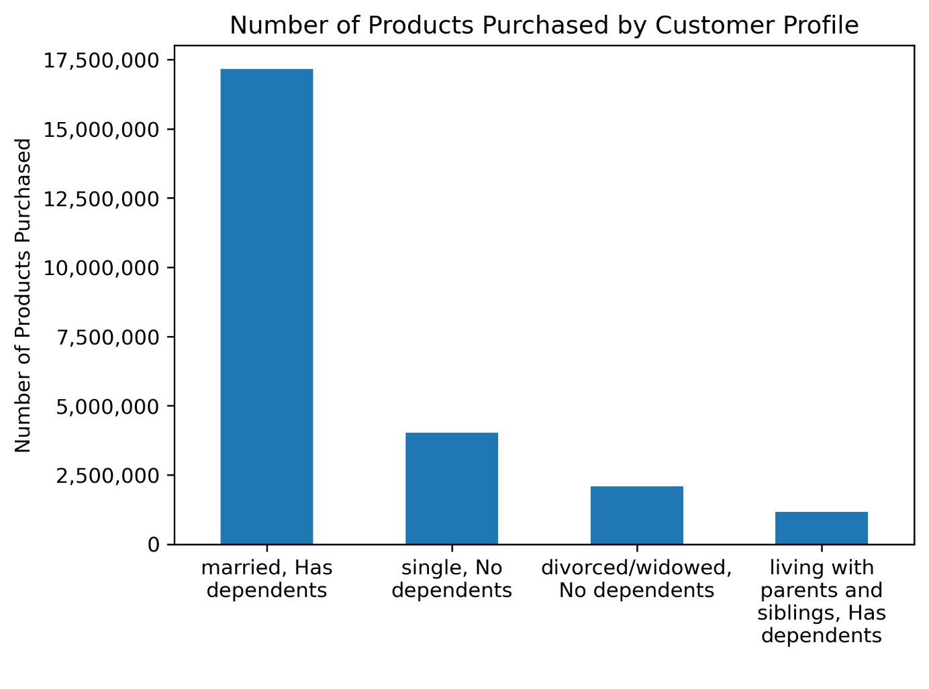
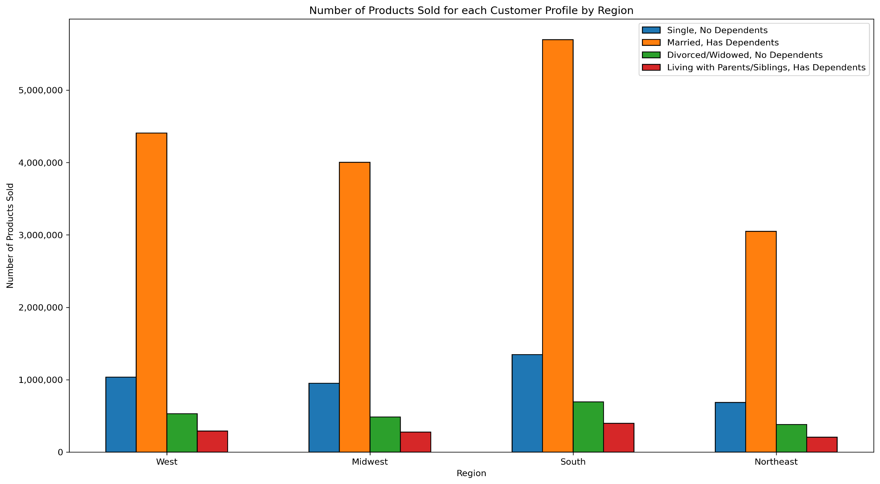
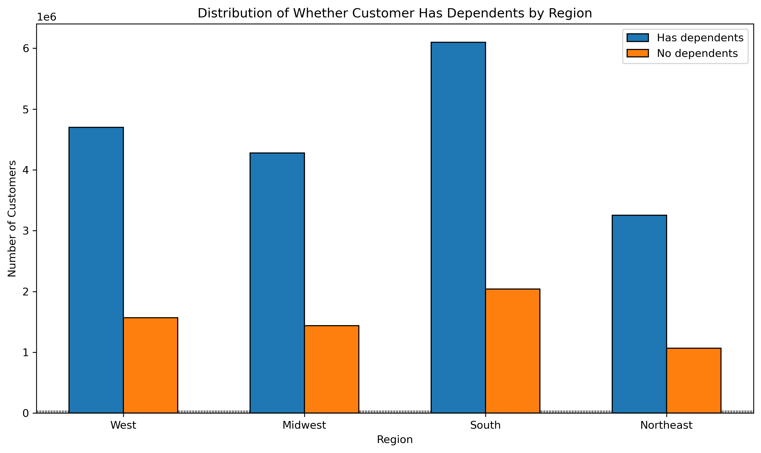
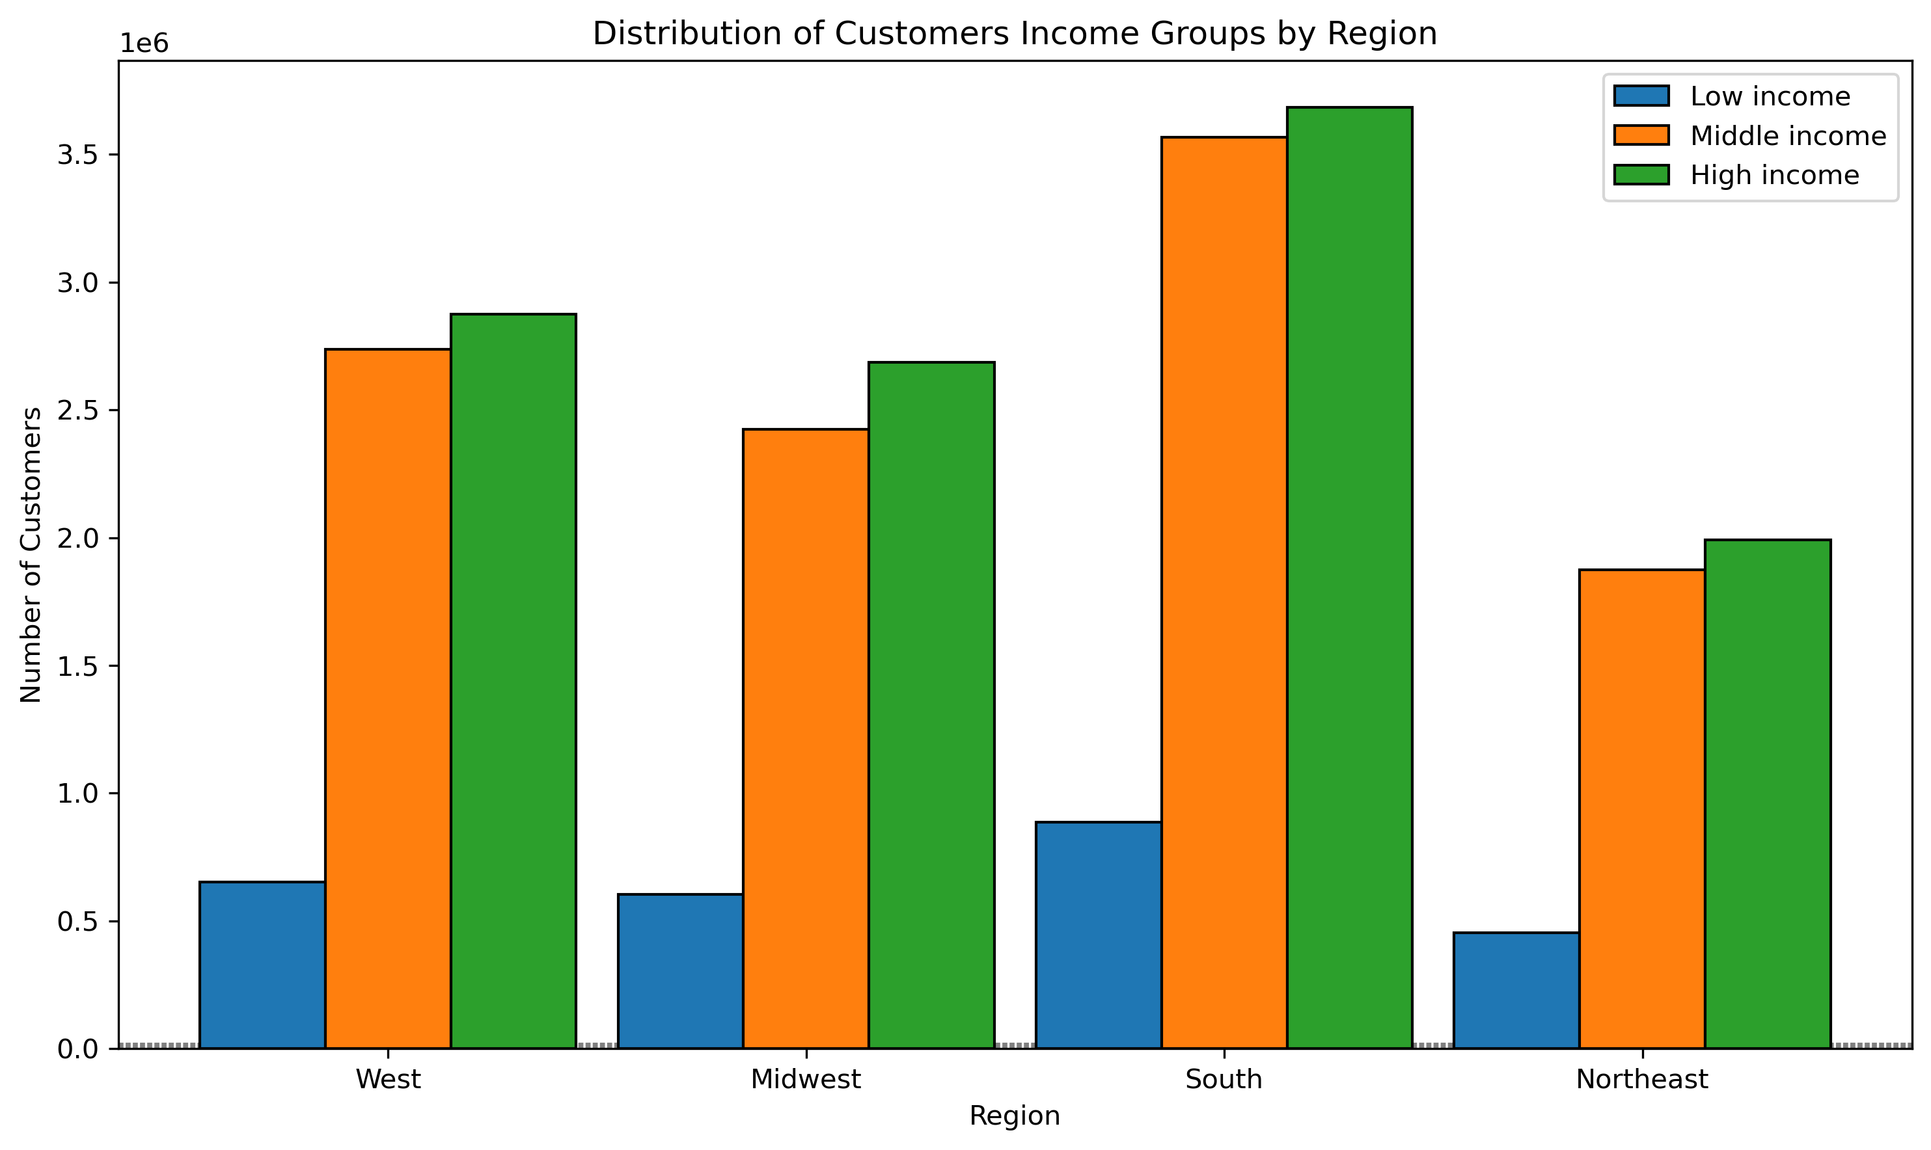
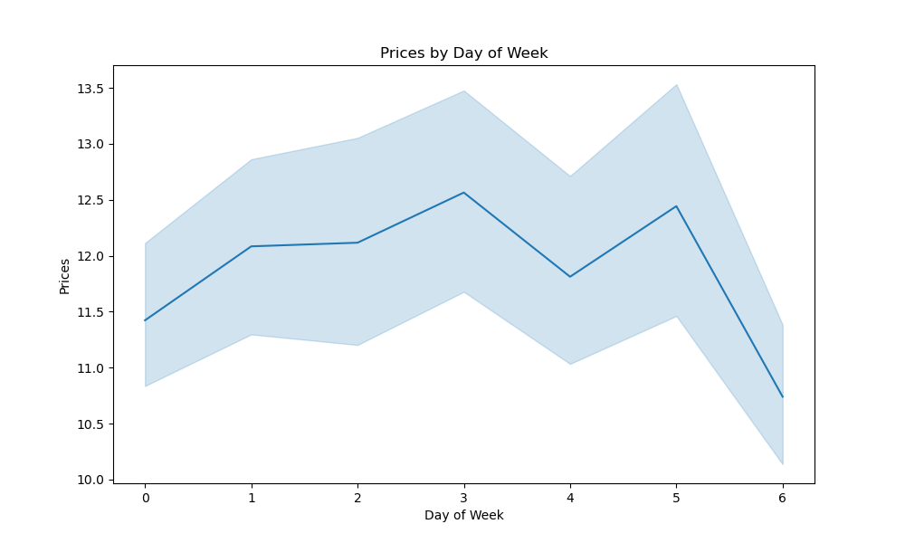
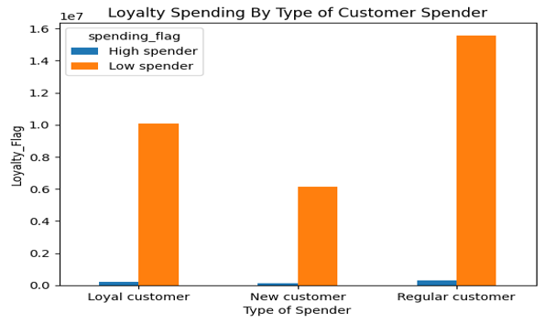
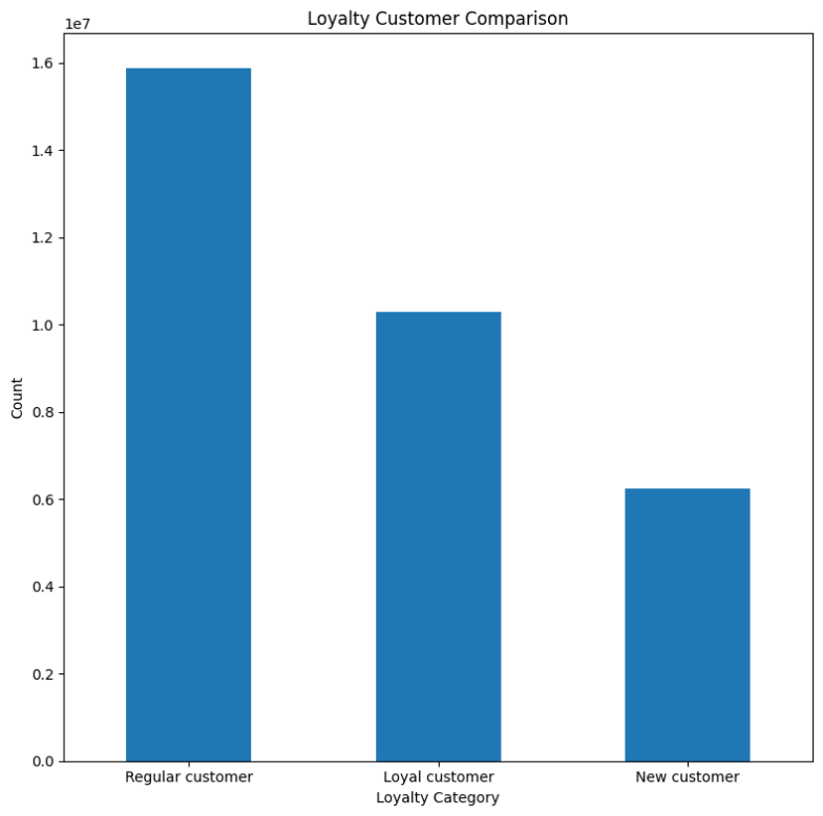
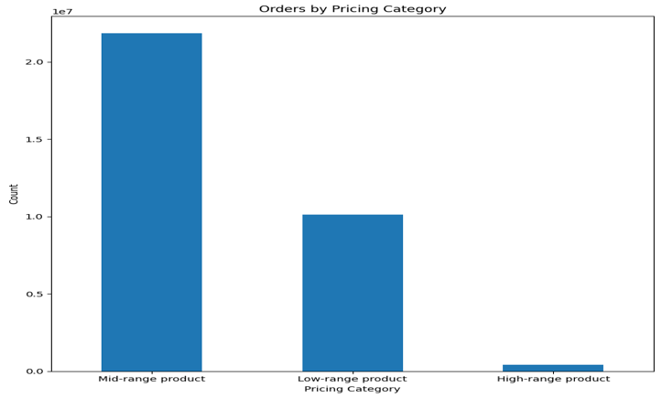
 | Title page

Visualisations
In this tab you should include all the visualtions from Exercises 4.9 and 4.10, alongside the questions from the project brief that they answer. Include any commentary on the relationship between different variables.


1. What are the busiest days of the week and hours of the day? Busiest Days: The analysis shows that the busiest days of the week are Saturdays and Sundays, where the number of orders peaks. This is likely due to customers planning their weekly shopping over the weekend. Busiest Hours: The busiest hours of the day are between 10 AM and 2 PM. This period seems to be when most customers are placing orders, possibly during lunch breaks or after breakfast.

2. Are there particular times of the day when people spend the most money?
The analysis indicates that spending is relatively higher during the early morning hours (8 AM to 10 AM) and late afternoon (4 PM to 6 PM). This could be due to people making larger orders either at the start of their day or before dinner.
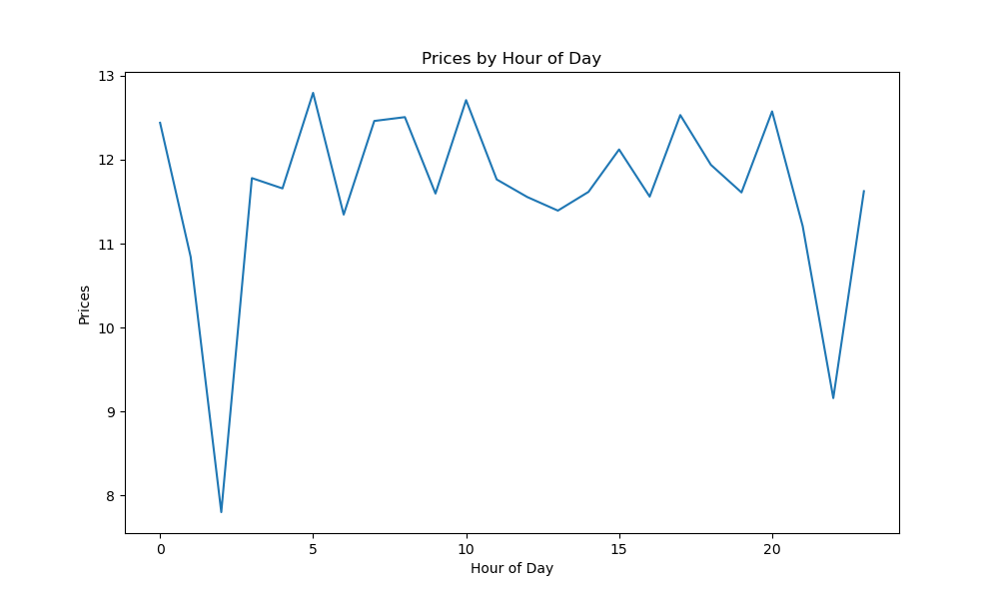

3. How should products be grouped based on price range for marketing and sales?
Products have been grouped into three price ranges:

Low-priced: <$10
Mid-priced: $10-$30
High-priced: >$30

This classification helps in targeting different customer segments based on their spending behavior.



4. Which departments have the highest frequency of product orders?
The top departments with the highest frequency of orders are 'Produce', 'Dairy & Eggs', and 'Snacks'. These departments consistently show higher order volumes, likely because they include daily staples and quick meals.

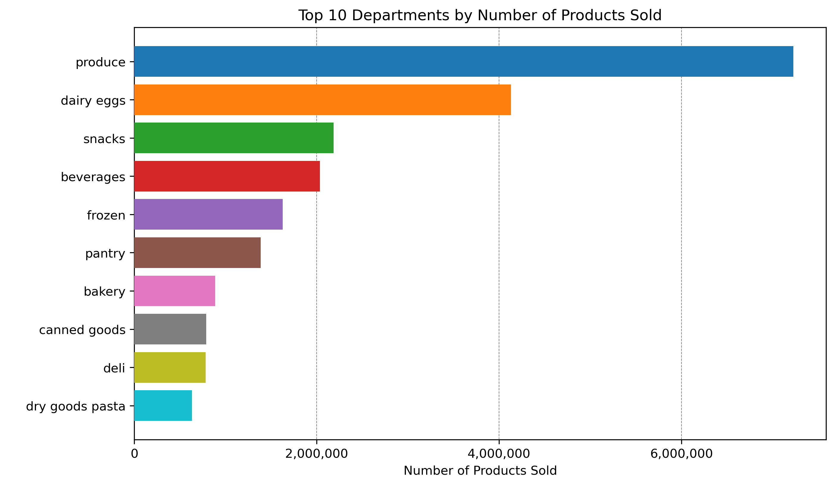

5. What’s the distribution among users regarding their brand loyalty?
The analysis reveals that a significant proportion of users are highly loyal, with a large number of customers placing more than 20 orders. However, there’s also a notable segment of customers with low loyalty, placing only a few orders.




6. Are there differences in ordering habits based on a customer’s loyalty status?
Yes, customers with higher loyalty tend to place larger orders more frequently. They also have a higher average spend per order compared to customers with low loyalty.

7. Are there differences in ordering habits based on a customer’s region?
The data shows regional differences in ordering habits, with the West and South regions placing more frequent orders, while customers in the Northeast tend to have higher average spending per order.



8. Is there a connection between age and family status in terms of ordering habits?
Younger families (typically in the 30-45 age range) tend to place more frequent orders, likely due to the higher demand for groceries in households with children. Older adults (55+) tend to place fewer, but larger, orders.


What different classifications does the demographic information suggest (e.g., Age, Income, Family Status)?

The demographic data suggests three primary customer profiles:

Young Adults: Typically single with moderate income, placing frequent small orders.
Families: Middle-aged with higher income, placing large, frequent orders.
Seniors: Older adults with stable income, placing fewer but larger orders.

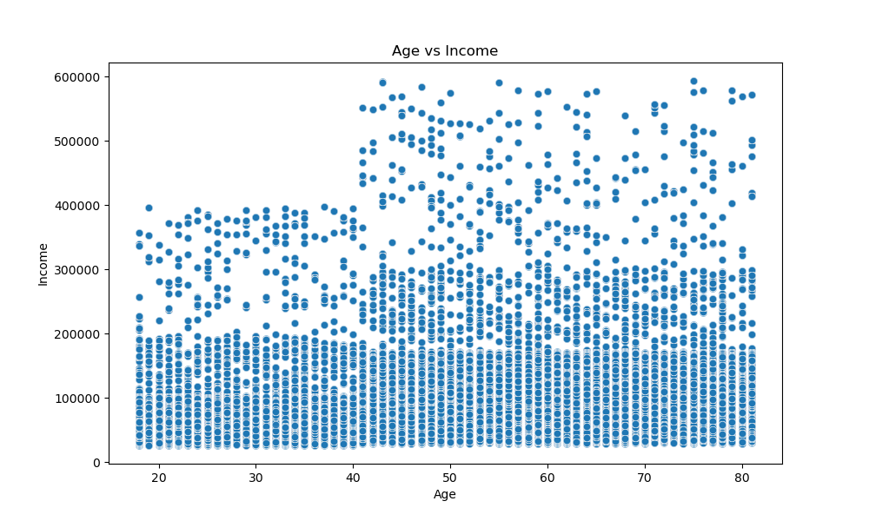




10. What differences can you find in ordering habits of different customer profiles?

Different customer profiles show distinct ordering patterns:

Single Young Adults: Tend to buy quick meals and snacks, placing smaller, more frequent orders.
Families: Focus on bulk purchases, especially in departments like Produce, Dairy & Eggs, and Baby Products.
Seniors: Prefer fewer but larger orders, with a focus on health-related products.

All Comparisions from this chapter

7. Recommendations
 |  | Title page

Recommendations

In this tab you should include any recommendations you would made to Instcart in terms of their marketing strategy based on the questions posed in the brief. Every key question has been covered in the Tasks of the Exercises - here you need to add an item - a visualisation or table/crosstable that is showing the answer in the data, acompanied by a comment from you. Please, list the questions below and add the answer underneath.

Question | Answer
1. What days of the week and hours of the day are busiest? | The peak times for activity are typically on Saturdays and Sundays, especially between 8 AM and 4 PM. The quietest time, however, is observed on Wednesdays between 2 AM and 5 AM. To maximize ad effectiveness, it would be beneficial for Instacart to target ad placements on Wednesdays during the early morning (6 AM to 8 AM) and evening (5 PM to 10 PM). Avoiding ad placements before 6 AM or after 10 PM may result in lower engagement due to most customers being inactive during these hours.
2. What times of the day do people spend the most money? | The most significant spending happens between 8 AM and 4 PM, with a notable peak around 10 AM. Therefore, it is recommended that Instacart emphasizes product promotions during these key hours. Additionally, implementing early morning deals, such as special discounts on slower days like Tuesday and Wednesday, could help boost sales during less active periods.
3. Are there certain types of products that are more popular than others? | The leading product categories in terms of popularity include produce, dairy and eggs, snacks, beverages, and frozen foods. To maintain and potentially increase customer interest, Instacart should consider offering promotions within these popular categories. Moreover, it might be advantageous to introduce incentives for categories with lower performance to drive more purchases in those areas.
4. What’s the distribution among users in regards to their brand loyalty (i.e., how often do they return to Instacart)? | Instacart could focus on converting new customers into regulars and eventually loyal customers by offering promotional incentives upon joining. Additionally, strengthening engagement with regular customers through ongoing discounts and rewards could encourage them to reach a loyal customer status.
5. Are there differences in ordering habits based on a customer’s loyalty status? | The most frequent Instacart users tend to be adults with middle income, while younger customers are less frequent. Instacart should therefore consider focusing its advertising on middle-range products aimed at adult and senior customers. Furthermore, introducing or enhancing loyalty programs that reward higher spending with more significant benefits could encourage greater customer loyalty.
6. Are there differences in ordering habits based on a customer’s region? | Despite being the least active in all factors, the Northeast region shows potential for growth. Engaging more with the market here could drive higher revenue and sales. Developing marketing strategies for households with small dependents and tailoring advertisements for larger households could further encourage family-sized orders. Efforts should also focus on middle-aged adults and middle-income customers while creating specific campaigns for seniors, young adults, and those in varying income brackets.
7. Is there a connection between age and family status in terms of ordering habits? | Marketing efforts should prioritize middle-aged adults, who are the most frequent customers. Additionally, marketing strategies for married couples and single customers—who often have small dependent households—should be developed. Targeting divorced or widowed customers with tailored promotions could also help reduce marketing costs. Family-sized product promotions could attract customers within the married demographic, especially those with more than two dependents.
8. What differences can you find in ordering habits of different customer profiles? Consider the price of orders, frequency of orders, products customers are ordering, and anything else you can think of. | For high-income seniors, who consistently demonstrate high spending across all regions, marketing efforts should focus on loyalty programs, premium products, and exclusive deals. Visibility and interest in underperforming categories such as "Personal Care" and "Pets & Babies" could be increased through targeted promotions or new product introductions. Regional marketing strategies should be customized to the specific needs of different areas, emphasizing high-income and senior profiles in the South and West. Offering solutions like meal kits, bulk buying options, or subscription services for small families could also help increase their purchase frequency and basket size.

